Sheet1
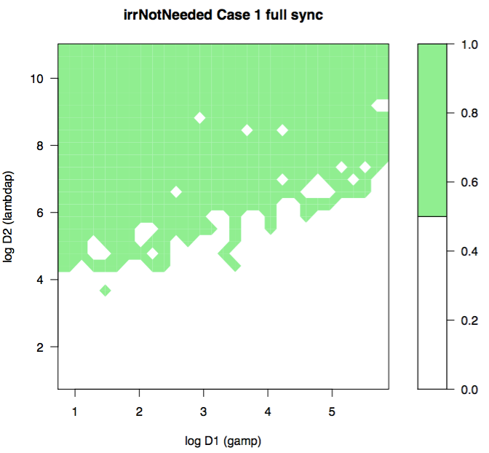
Catchment 1 |  |  |  | Catchment 2 |  |  |  | Catchment 3
lambdap = 0.408 |  | D2 = 3 | aridity = 0.67 | gamp = 1.088 |  | D1 = 4 | aridity = 1 | gamp = 0.408 |  | D1 = 1.5 | aridity = 1.5
gamp = 0.544 |  | D1 = 2 |  | lambdap = 0.544 |  | D2 = 4 |  | lambdap = 0.136 |  | D2 = 1

 | lambda | alpha | avgQ |  | lambda | alpha | avgQ |  | lambda | alpha | avgQ
Case1 | 1.22 | -1.11 | 0.26 | Case1 | 3.14 | -2.62 | 0.64 | Case1 | 54.8 | -32 | 6.3
Case2 | 0 | -80 | -80 | Case2 | 0 | -80 | -80 | Case2 | 0 | -80 | -80
Case3 | 0.41 | -80 | -80 | Case3 | 1.84 | -80 | -80 | Case3 | 13.9 | -79 | -79
Case4 | 1.22 | -80 | -80 | Case4 | 4.7 | -79 | -79 | Case4 | 60 | -80 | -78

